Change Management Process
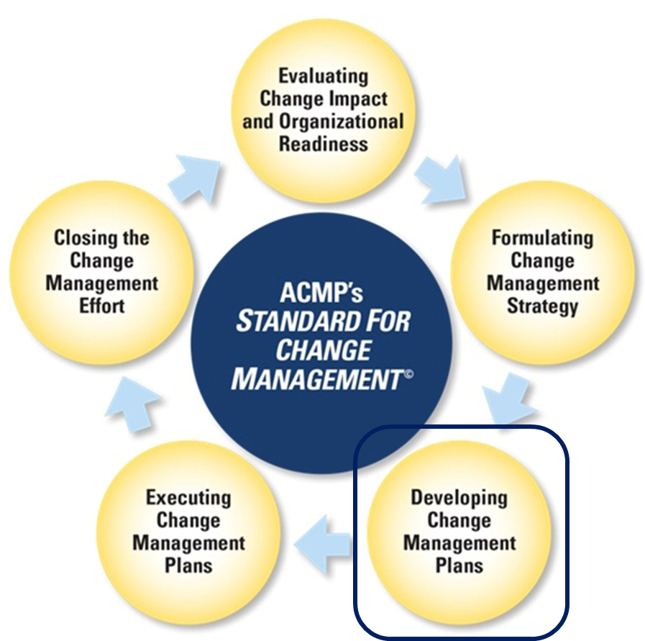
ACMP Standard for Change Management© Change Management Process

